Ark1
W/B C-172 LN-MTU

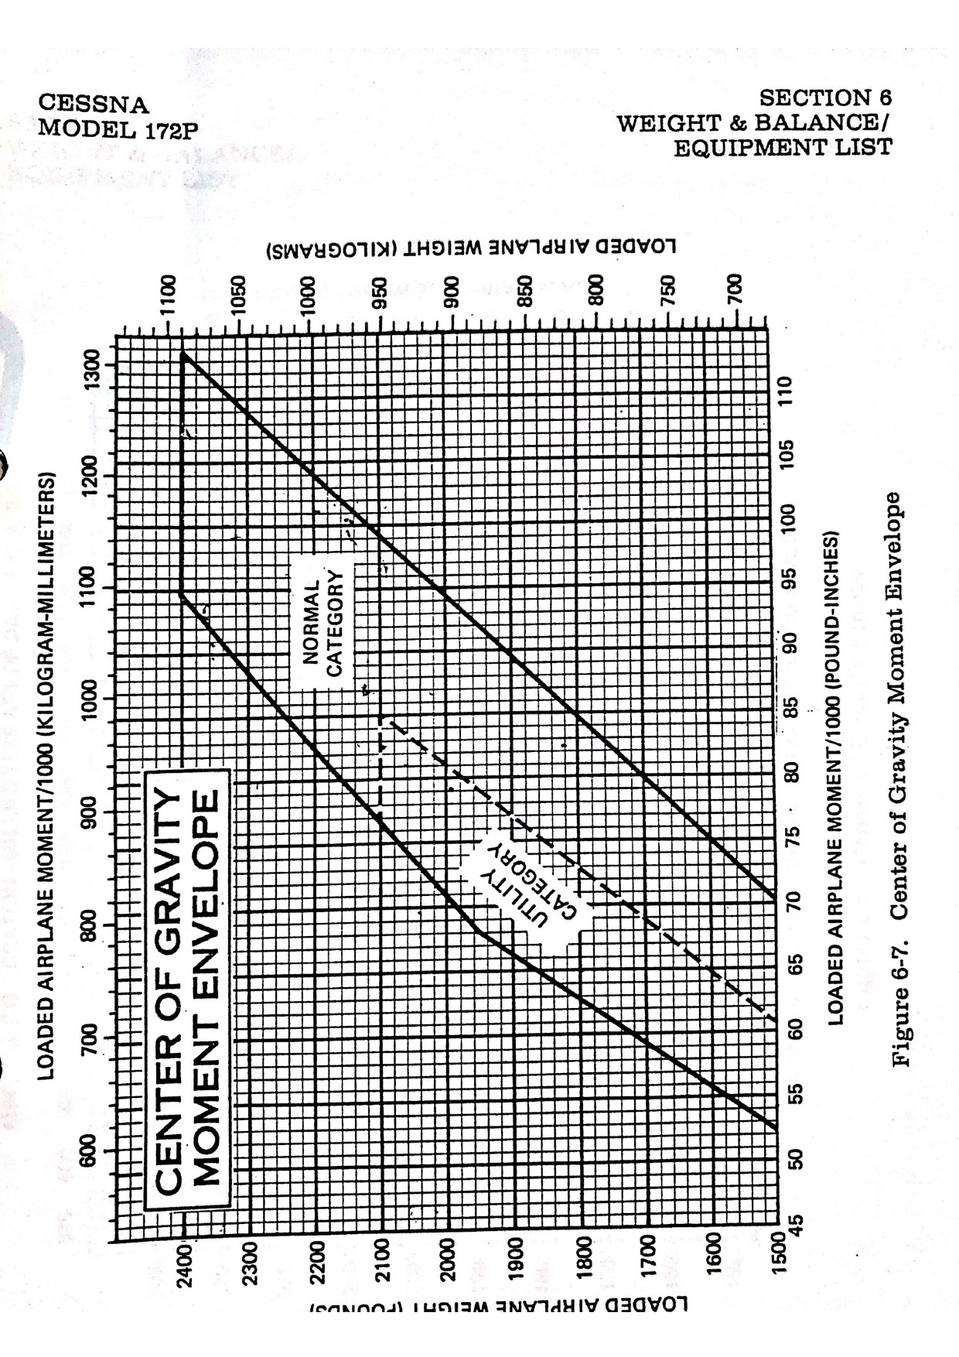
 | KG | Station (mm) | Moment kgxmm/1000
Emty weight | 689 | 990.6 | 682.5234
Pilot | 92 | 939.8 | 86.4616
Front PAX | 80 | 939.8 | 75.184
Rear PAX | 105 | 1854.2 | 194.691
Rear PAX | 0 | 1854.2 | 0
Bagage Area 1, Max 55 kg | 0 | 2413 | 0
Bagage Area 2, Max 22 kg | 0 | 3124 | 0

Zero Fuel Weight and Moment | 966 |  | 1038.86

Usable fuel, Max 40 GAL, KG | 64.8 | 1168.4 | 75.71232

RAMP WEIGHT and MOMENT | 1030.8 |  | 1114.57232

Fuel for Start, Taxi and Takeoff | 3.2 | 1168.4 | 3.73888

TAKE OFF WEIGHT and Moment | 1027.6 |  | 1110.83344

Fuel i LITER: | 90

Legg kun inn vekt av pilot/pax, bagasje og LITER FUEL

